Sheet1
Brand | SKU | Product | ML/Colour | Qty
Meridian | M1A | The Spray | 55ml | 4000 | 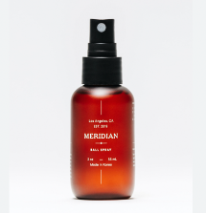
Lumin | S14A | Keratin Recovery Shampoo | 100ml | 4536
Lumin | S14B | Keratin Recovery Shampoo | 275ml | 504
Lumin | S15A | Keratin Strengthening Conditioner | 50ml | 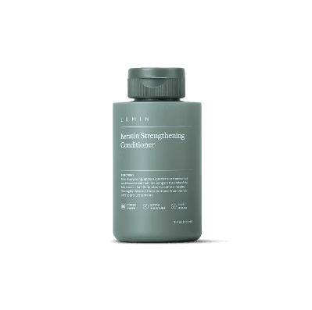 5760
Lumin | S16A | Advanced Repair Scalp Treatment | 25ml | 3780 | 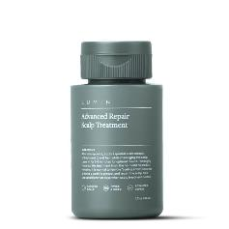
Lumin | S17B | Clarifying Body Wash | 275ml | 1476
Lumin | S17A | Clarifying Body Wash | 100ml | 4000
Lumin | S23 | Nourishing Hand Wash | 275ml | 1133
Lumin | S24 | Soothing Beard Oil | 15ml | 2090 | 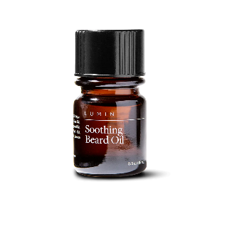 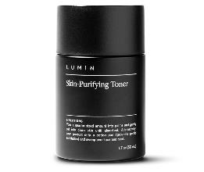
Lumin | S27A | Natural Mineral Deodorant | 15ml | 4306 | 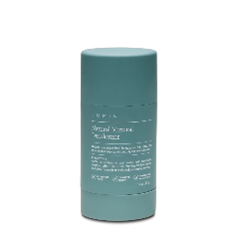
Lumin | S28 | Hydrating Hand Balm | 25ml | 1516 | 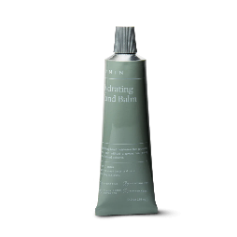
Lumin | S29 | Calming Shave Cream | 50ml | 1999 | 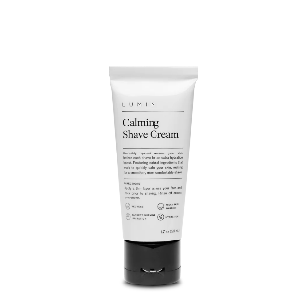
Lumin | S31 | Pumice Exfoliating Body Scrub | 50ml | 4869 | 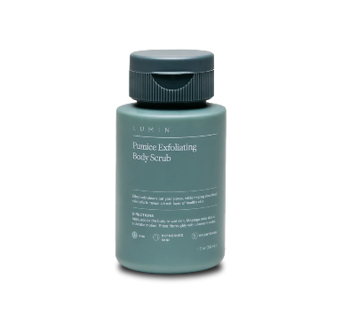
Lumin | S32 | Charcoal Clay Mask | 50ml | 2376 | 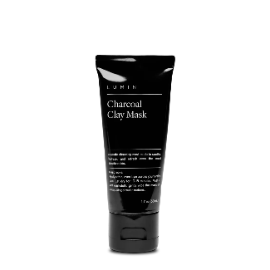
Lumin | S33 | Soothing Lip Salve | 14ml | 3840 | 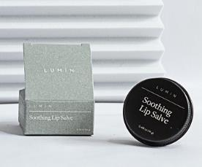
Lumin | S34 | All Day Clay Pomade | 30g | 153 | 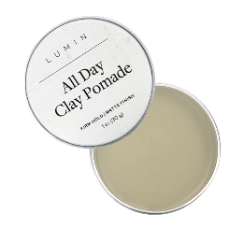
Lumin | S36 | Biome Balance Gel Cleanser | 50ml | 154
Lumin | S41 | Charcoal Soap Bar | 141g | 469 | 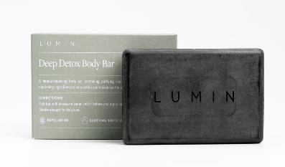
Lumin | S42A | Advanced Keratin Recovery Shampoo (v2) | 100ml | 2738
Lumin | S45A | Advanced Clarifying Body Wash (v2) | 100ml | 5040 | 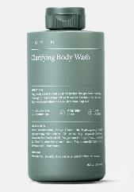
Lumin | SM8 | Silicone Face Scrubber + Hook Set | Black | 4032
Lumin | SM8 | Silicone Face Scrubber + Hook Set | Green | 4000 | 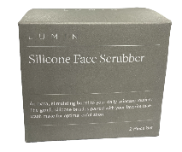 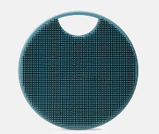
 |  |  |  | 62771

